Sheet1
Bill Summary for the project Standard Chartered |  |  |  |  |  |  | RETENTION AMOUNT
Contract Amount |  |  |  | 9,700,603 |  |  | DEDUCTION IN IPC 1 | 485,030
 |  |  |  |  | Contract Amount | 78,840,000 | DEDUCTION IN adhoc in IPC 2
 |  |  |  |  | Verified (IPC-1 | 9,700,603 | DEDUCTION IN IPC 2
 | IPC-01 | IPC-02 | IPC-03 |  | LESS Tax 7.5% | 727,545
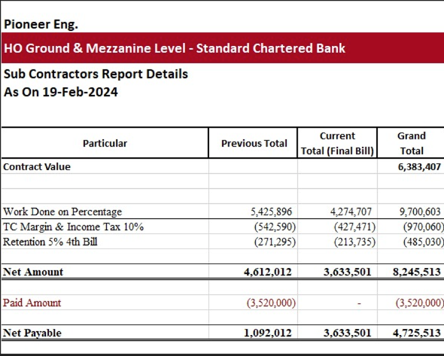
RUNNING BILL NO 1 | 9,700,603 |  |  | 9,700,603 | Remaining | 8,973,058 | TOTAL RECEIVABLE | 485,030

Less Tax |  | 10.0% |  | 970,060 | LESS Retention 5% | 448,653
 |  |  |  |  | Remaining | 8,524,405
Balance Payable |  |  |  | 8,730,543

Less Retention 5% |  | 5% |  | 485,030
Payable Amount |  |  |  | 8,245,513

Already received |  |  |  | 7,120,000

Net Payable |  |  |  | 1,125,513

